Instructions
 | UNC CHARLOTTE OFFICE OF WASTE REDUCTION & RECYCLING
 |  | Contact: Emily Herring / eherrin5@uncc.edu / 704.687.0605
 | Construction & Demolition Monthly Waste Management Overview
Thank you for participating in the UNC Charlotte's Construction & Demolition Waste Management program. Our goal is to reclaim and reuse materials resulting from
demolition and to divert materials from the landfill resulting from new construction. Please use this form to provide the Office of Waste Reduction and Recycling with
monthly waste management data. Please contact Emily Herring, Recycling Project Manager with any questions at eherrin5@uncc.edu or at 704.687.0605.
Instructions for filling out the form are below. |  |  | Click here to access the report, or click on the tab below called 'Waste Management Report'
If filling this Google Sheet out
on your computer - please
click File / Make A Copy in order
to create a project specific report.
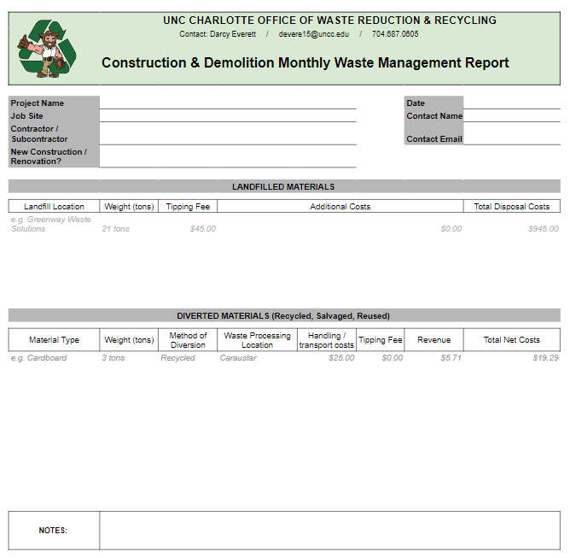

Fill out project information here, including best point of contact for this report.

Fill out any waste weights and cost sent to a C&D landfill during the reporting month.

Provide any waste that was salvaged, reclaimed, recycled or otherwise diverted from the landfill during the reporting month. Please include type of waste, weights, location it was sent / used, and costs associated.

Waste Management Report
Before filling this form out, please select ‘File / Make a Copy.’
 | UNC CHARLOTTE OFFICE OF WASTE REDUCTION & RECYCLING
 |  | Contact: Emily Herring / eherrin5@uncc.edu / 704.687.0605
 | Construction & Demolition Monthly Waste Management Report

Project Name |  |  |  |  |  | Reporting Month
Job Site |  |  |  |  |  | Contact Name
Contractor / Subcontractor |  |  |  |  |  | Contact Email
New Construction / Renovation?

LANDFILLED MATERIALS

Landfill Location | Weight (tons) | Tipping Fee | Additional Costs |  |  |  | Total Disposal Costs
e.g. Greenway Waste Solutions | 21 tons | $45.00 | $0.00 |  |  |  | $945.00

DIVERTED MATERIALS (Recycled, Salvaged, Reused)

Material Type | Weight (tons) | Method of Diversion | Waste Processing Location | Handling / transport costs | Tipping Fee | Revenue | Total Net Costs
e.g. Cardboard | 3 tons | Recycled | Caraustar | $25.00 | $0.00 | $5.71 | $19.29

NOTES:

